Exception Examples
Find updates to this tool at https://www.soldiersspot.com/shop Feedback? Email us at soldiersspot@diywithchris.com © Copyright 2022 Version 1.0
Exception Examples
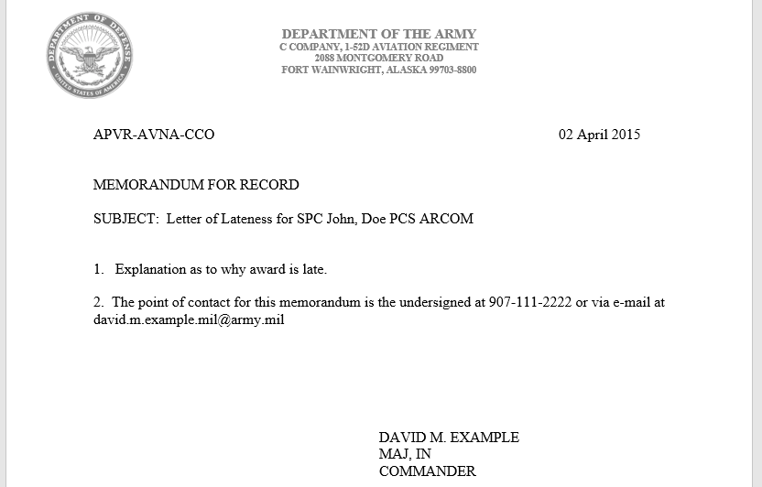

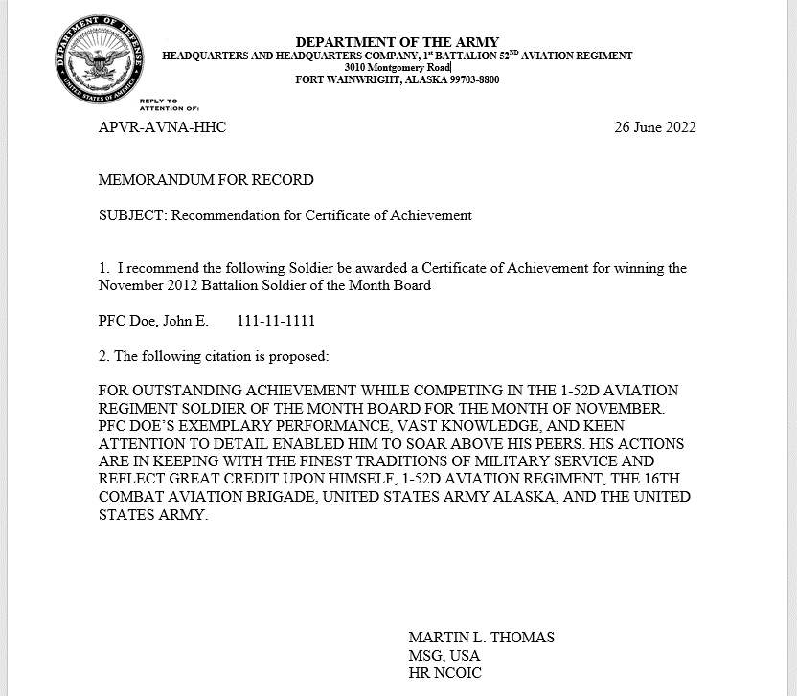

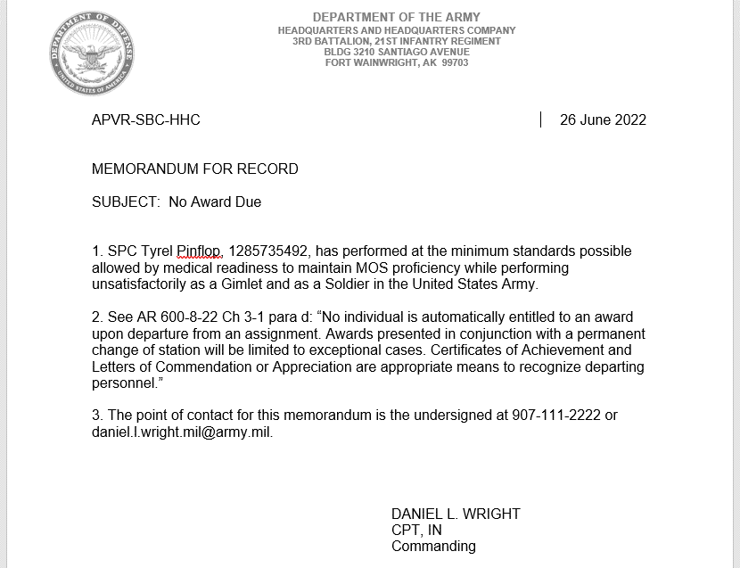

Check here for free editable memo templates
https://www.milsuite.mil/book/docs/DOC-1163582

